Bug List
BUG LIST

ID | Test Date | Project | Reporter | Priority | Description | How to Reproduce | Status | Screen shot
1 |  | Practiceselenium website | Fadly | Major | Card number should not be inputed with alphabetic | 1. Go to link : http://www.practiceselenium.com 2. Click Menu on left side menu 3. Click check out in on of product 4. In payment info section fill Card Number with alphabetic Test Result : 4. Card Number filled with aphabetic Expected Result : 4. Card number should not be inputed with alphabetic, with number only |  | 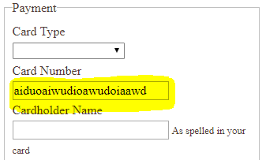
2 |  | Practiceselenium website | Fadly | Major | List of menu is not align | 1. Go to link : http://www.practiceselenium.com 2. Click Menu on left side menu 3. See list of menu Test Result : 3. List of menu is not align with other menu Expected Result : 3. List of menu is align with other menu |  | 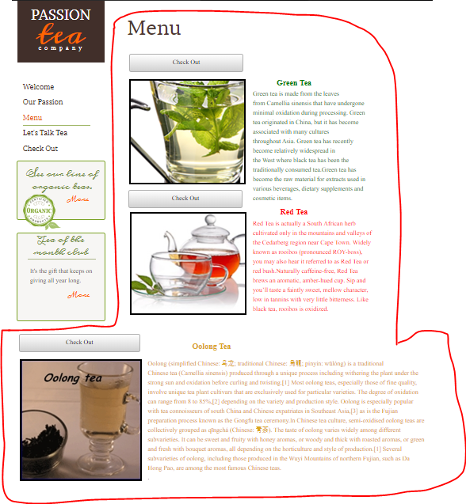
3 |  | Practiceselenium website | Fadly | Critical | Button place order not functioning it's redirect back to menu page | 1. Go to link : http://www.practiceselenium.com 2. Click Menu on left side menu 3. Click check out in on of product 4. Fill Customer and payment info field 5. Click Place Order button Test Result : 5. Redirect back to menu page Expected Result : 5. Order successfully created
4 |  | Practiceselenium website | Fadly | Major | Button Submit on Let's talk tea page is not functioning noting happen when it clicked | 1. Go to link : http://www.practiceselenium.com 2. Click Let's Talk Tea on left side menu 3. Fill send us an email 4. Click Submit button Test Result : 4. noting happen when it clicked Expected Result : 4. Submit button is working and user got the information that email is already sent
5 |  | Practiceselenium website | Fadly | Minor | When click more button on Tea of The Month Club its redirect same like when we click more button on See Our Line of Organic Tea | 1. Go to link : http://www.practiceselenium.com 2. Click more Tea of the month club on left side menu Test Result : 2. Redirect to Menu page same like more button on See Our Line of Organic Tea Expected Result : 2. It's should redirect to Tea of The Month Club page

